Cover Sheet


Request for Support Resolution from City of Houston for 9% Tax Credits

Developer Name:
Project Name:
Date:

Deadline for submittal: 2 p.m. Friday, January 5, 2023.

Certification (print & sign)
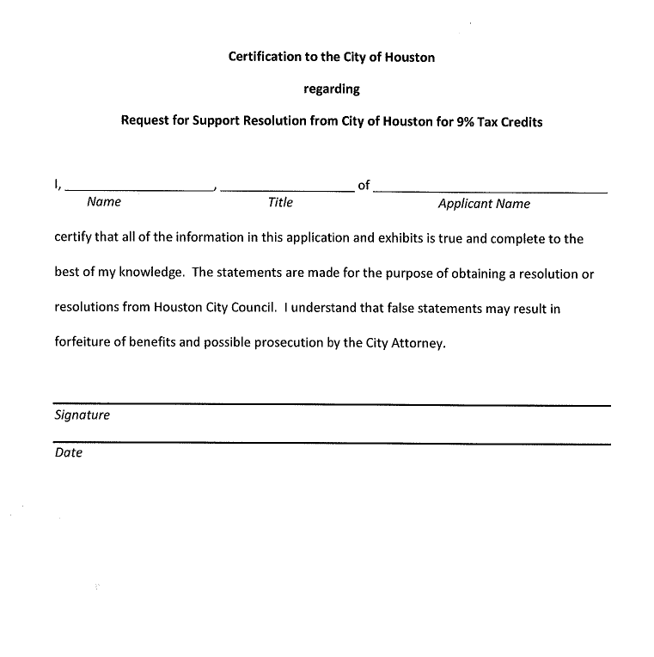
AUTHORIZED OFFICIAL CERTIFICATION / SIGNATURE

